AHD
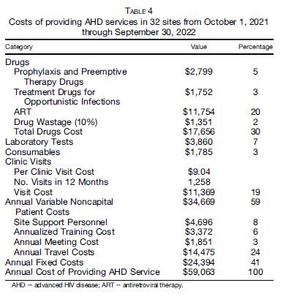

 |  | Full | w/o ART
 | Drugs
 | Prophylaxis | $2,799 | $2,799
 | OI treatment | $1,752 | $1,752
 | ART | $11,754
 | Wastage | $1,351 | $1,351
 | Total drug costs | $17,656 | $5,902
 | Lab tests | $3,860 | $3,860
 | Consumables | $1,785 | $1,785
 | Visit costs | $11,369 | $11,369
 | Total variable costs | $34,670 | $22,916

 | Annual fixed costs | $24,394 | $24,394
 | Total annual costs | $59,064 | $47,310
 | Number of patients | 246 | 246
 | Cost per patient | $240.10 | $192.32

From Songane M, Mukherjee S, Chamanga R, Maphosa T, Longwe B, Namathanga J, Ahimbisibwe A, Bailey R, Tiam A. Cost of Providing Advanced HIV Disease Treatment Services through Malawi's Hub-and-Spoke Model. Am J Trop Med Hyg. 2024 Aug 20;111(4):897-903. doi: 10.4269/ajtmh.23-0880. PMID: 39163852; PMCID: PMC11448517.

